Sheet1
 |  | Catch the Bus

1st
 |  |  | Enter Codes Here Color will change when code is correct
 |  |  |  | It’s the day of school at Breakout EDU Digital Elementary School and the dismissal bell has just rung. You’re not ready to leave, but can’t wait to tell your mom all about your great day! As you grab your backpack, you realize you’re the only one left in the room! The teacher has locked you in somehow. Better unlock all the locks on the door so you can ride your home!
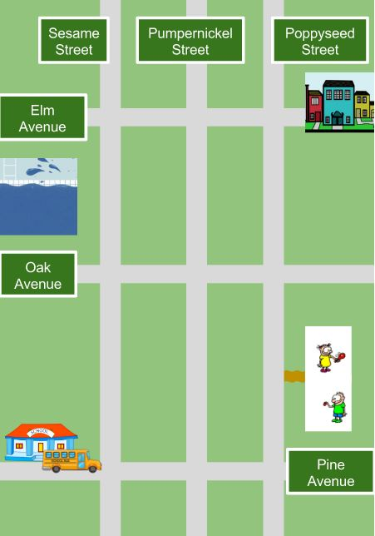
Four Digit Number Lock

7 Letter Word (All CAPS)

6 Direction Lock (U=Up, D=Down, L=Left, R=Right no spaces)

4 Color Lock (R=red, O=Orange, etc. All CAPS, no spaces)

 | Can I count on you to organize these ?

Sheet2
“A School Map” Adapted by Breakout EDU Digital from Readworks.org Ava’s brother Jarrell was going to go to her school. Ava had an idea. She got a piece of paper and crayons. She drew a box at the top. Next to it she wrote “Ava’s classroom.” She drew a box at the bottom of the paper and wrote “Jarrell’s classroom.” She drew two more boxes in between. On the first one she wrote “the office.” On the second one she wrote “the gym.” Next Ava drew a blue dot. She wrote “water fountain” next to it. Ava showed the page to her brother. It was a map of the school. Jarrell was happy. Now he knew where he was going. He could even find the water fountain!

Why did Ava make a map?

